User Story
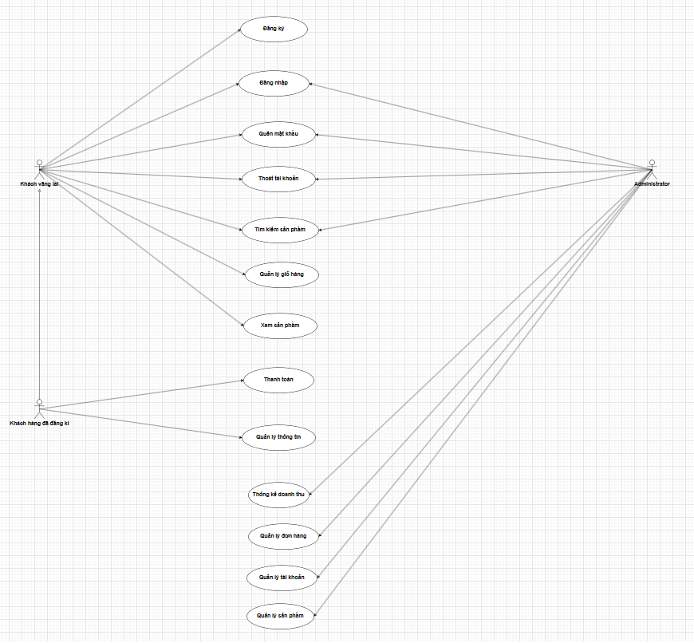
BUILD AN E-COMMERCE WEBSITE FOR A SALES AND DISTRIBUTION BUSINESS MODEL (Nam Nha Lam)
ID | As a | I want | So that | Priority | Risk | USE-CASE DIAGRAM
1 | Guest User | to be able to register for an account, log in, recover my password, and log out | I can access personalized features and recover my account if needed | High | Low
2 | User | to be able to search for products using keywords or filtering options | I can find the products I'm interested in quickly and easily. | High | Low
3 | Customer (Guest User or Registered Customer) | to view product details, including images, descriptions, and prices | I can make informed decisions when browsing products. | High | Low
4 | Guest User | to add products to my cart, remove products, and update item quantities | I can create and manage a shopping cart even without an account. | Medium | Low
5 | Registered Customer | to perform CRUD operations on the products in my cart | I can manage my shopping cart effectively. | High | Medium
6 | Registered Customer | to proceed to checkout, providing delivery address and payment method | I can complete my purchase and have the items delivered. | High | Medium
7 | Registered Customer | to manage my personal information, including contact details and delivery addresses | I can keep my information up to date. | Medium | Low
8 | Administrator | to be able to add, edit, and delete products on the website, including managing product categories | I can keep the product catalog up to date | High | Medium
9 | Administrator | to view a list of orders, confirm orders, and update the order status | I can efficiently manage and process customer orders | High | Medium
10 | Administrator | to access detailed user information and assist users in changing their passwords if necessary | I can help users with their account-related issues. | Medium | Low
11 | Administrator | to have access to view information regarding revenue generated from processed orders on the website | I can monitor the financial performance of the website. | Medium | Low

